Menu
Harm Reduction Funding Gap Tool
Developed by the USAID |Health Policy Project (July 2014)

 | Purpose: To assess the funding gap for harm reduction programs in country. The funding gap will show the difference in resource needs and resource commitments by year for high, medium and low priority NSP and OST programs.

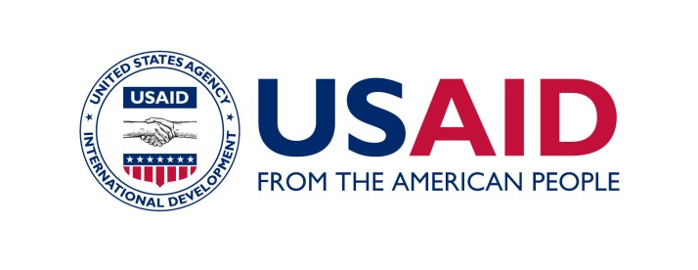

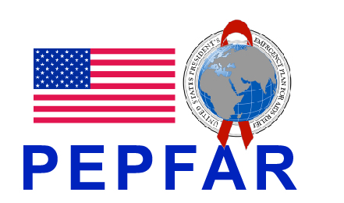
 | Menu:
 | Input sheet
 | Resource needs
 | Funding commitments
 | Funding gap analysis

